Sheet1
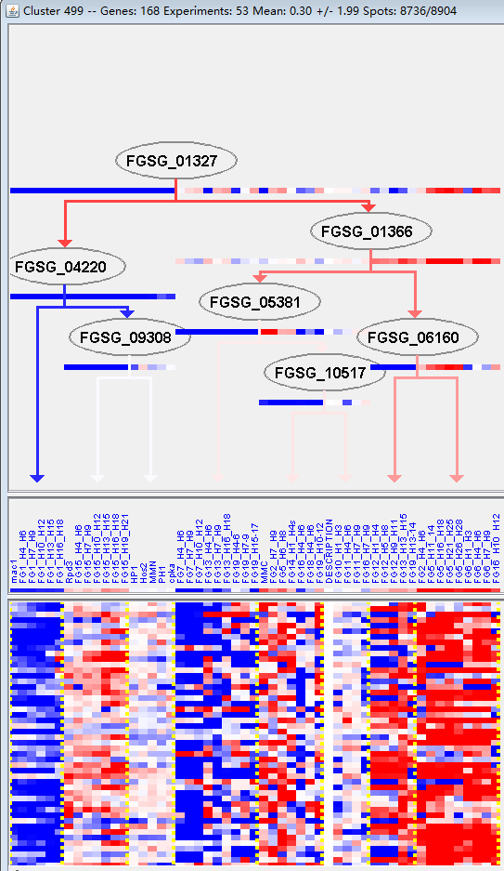
k | Filter | FUNCTIONAL CATEGORY | abs SET | rel SET | genes SET | abs GENOME | rel GENOME | rel SET/rel GENOME | P-VALUE | Bonferroni_corr | FDR
20.09.18.07 non-vesicular cellular import | 18 | 12.9 | FGSG_00067 FGSG_00811 FGSG_02070 FGSG_02136 FGSG_04610 FGSG_04537 FGSG_03956 FGSG_03424 FGSG_12440 FGSG_03272 FGSG_05352 FGSG_05720 FGSG_06235 FGSG_08799 FGSG_09367 FGSG_11147 FGSG_11495 FGSG_11340 | 278 | 2.01 | 6.417910448 | 3.49E-10
20.01.03 C-compound and carbohydrate transport | 16 | 11.5 | FGSG_00067 FGSG_01593 FGSG_02070 FGSG_04610 FGSG_04537 FGSG_03652 FGSG_03424 FGSG_03272 FGSG_05352 FGSG_05720 FGSG_05859 FGSG_06235 FGSG_08799 FGSG_09367 FGSG_11147 FGSG_11495 | 332 | 2.4 | 4.791666667 | 2.23E-07
01.05.03 polysaccharide metabolism | 15 | 10.7 | FGSG_00807 FGSG_01523 FGSG_01685 FGSG_03842 FGSG_03410 FGSG_04913 FGSG_04953 FGSG_06037 FGSG_06278 FGSG_06605 FGSG_07274 FGSG_07551 FGSG_08797 FGSG_11468 FGSG_11326 | 291 | 2.1 | 5.095238095 | 2.31E-07
20.09.18 cellular import | 20 | 14.3 | FGSG_00067 FGSG_00811 FGSG_01593 FGSG_02070 FGSG_02136 FGSG_04610 FGSG_04537 FGSG_03956 FGSG_03424 FGSG_12440 FGSG_03272 FGSG_05352 FGSG_05720 FGSG_05859 FGSG_06235 FGSG_08799 FGSG_09367 FGSG_11147 FGSG_11495 FGSG_11340 | 519 | 3.75 | 3.813333333 | 2.38E-07
01.05 C-compound and carbohydrate metabolism | 37 | 26.6 | FGSG_00053 FGSG_00807 FGSG_00895 FGSG_01523 FGSG_01685 FGSG_01686 FGSG_11555 FGSG_11556 FGSG_04686 FGSG_04610 FGSG_04302 FGSG_03842 FGSG_03652 FGSG_03589 FGSG_03513 FGSG_03410 FGSG_04811 FGSG_04913 FGSG_04953 FGSG_05450 FGSG_05919 FGSG_06037 FGSG_06235 FGSG_06278 FGSG_06605 FGSG_07274 FGSG_07551 FGSG_07578 FGSG_08799 FGSG_08797 FGSG_08609 FGSG_09347 FGSG_09367 FGSG_09483 FGSG_11147 FGSG_11468 FGSG_11326 | 1547 | 11.1 | 2.396396396 | 3.26E-07
01.05.02.07 sugar, glucoside, polyol and carboxylate catabolism | 13 | 9.35 | FGSG_00807 FGSG_01523 FGSG_01685 FGSG_03842 FGSG_03410 FGSG_04913 FGSG_04953 FGSG_06278 FGSG_06605 FGSG_07274 FGSG_07551 FGSG_11468 FGSG_11326 | 224 | 1.62 | 5.771604938 | 4.03E-07
01.05.02 sugar, glucoside, polyol and carboxylate metabolism | 13 | 9.35 | FGSG_00807 FGSG_01523 FGSG_01685 FGSG_03842 FGSG_03410 FGSG_04913 FGSG_04953 FGSG_06278 FGSG_06605 FGSG_07274 FGSG_07551 FGSG_11468 FGSG_11326 | 307 | 2.22 | 4.211711712 | 1.31E-05
01 METABOLISM | 56 | 40.2 | FGSG_00053 FGSG_00807 FGSG_00895 FGSG_01284 FGSG_01523 FGSG_01685 FGSG_01686 FGSG_01745 FGSG_01790 FGSG_01866 FGSG_01988 FGSG_02136 FGSG_11555 FGSG_11556 FGSG_04686 FGSG_04610 FGSG_04302 FGSG_03842 FGSG_03727 FGSG_03652 FGSG_03589 FGSG_03513 FGSG_03410 FGSG_03342 FGSG_03086 FGSG_02908 FGSG_04810 FGSG_04811 FGSG_04913 FGSG_04953 FGSG_05450 FGSG_05859 FGSG_05906 FGSG_05919 FGSG_05926 FGSG_06037 FGSG_06235 FGSG_06278 FGSG_06605 FGSG_07274 FGSG_07500 FGSG_07551 FGSG_07578 FGSG_07880 FGSG_08909 FGSG_08799 FGSG_08797 FGSG_08609 FGSG_09347 FGSG_09367 FGSG_09483 FGSG_10617 FGSG_13829 FGSG_11147 FGSG_11468 FGSG_11326 | 3402 | 24.6 | 1.634146341 | 3.04E-05
20.03 transport facilities | 21 | 15.1 | FGSG_00067 FGSG_00811 FGSG_01593 FGSG_01802 FGSG_02070 FGSG_04610 FGSG_04317 FGSG_04188 FGSG_03956 FGSG_03732 FGSG_03652 FGSG_03424 FGSG_03272 FGSG_05352 FGSG_05720 FGSG_05859 FGSG_08799 FGSG_09367 FGSG_11147 FGSG_11495 FGSG_11340 | 808 | 5.84 | 2.585616438 | 5.54E-05
20.03.02 carrier (electrochemical potential-driven transport) | 8 | 5.75 | FGSG_01802 FGSG_04610 FGSG_04317 FGSG_03652 FGSG_05859 FGSG_08799 FGSG_09367 FGSG_11147 | 142 | 1.02 | 5.637254902 | 9.23E-05
20.03.02.02.01 proton driven symporter | 5 | 3.59 | FGSG_04610 FGSG_05859 FGSG_08799 FGSG_09367 FGSG_11147 | 50 | 0.36 | 9.972222222 | 0.00014076
01.01.09 metabolism of the cysteine - aromatic group | 10 | 7.19 | FGSG_00053 FGSG_01745 FGSG_01988 FGSG_03589 FGSG_03086 FGSG_07500 FGSG_07578 FGSG_08909 FGSG_09483 FGSG_13829 | 266 | 1.92 | 3.744791667 | 0.000354344
20.09 transport routes | 25 | 17.9 | FGSG_00067 FGSG_00811 FGSG_01593 FGSG_01802 FGSG_01817 FGSG_02070 FGSG_02136 FGSG_04610 FGSG_04537 FGSG_04317 FGSG_04188 FGSG_03956 FGSG_03732 FGSG_03424 FGSG_12440 FGSG_03272 FGSG_05352 FGSG_05720 FGSG_05859 FGSG_06235 FGSG_08799 FGSG_09367 FGSG_11147 FGSG_11495 FGSG_11340 | 1237 | 8.94 | 2.002237136 | 0.000553633
01.20 secondary metabolism | 16 | 11.5 | FGSG_00053 FGSG_00895 FGSG_01284 FGSG_01523 FGSG_01790 FGSG_01988 FGSG_04302 FGSG_03589 FGSG_03086 FGSG_02908 FGSG_04810 FGSG_07578 FGSG_09347 FGSG_09483 FGSG_10617 FGSG_13829 | 627 | 4.53 | 2.538631347 | 0.000559122
20.03.02.02 symporter | 5 | 3.59 | FGSG_04610 FGSG_05859 FGSG_08799 FGSG_09367 FGSG_11147 | 69 | 0.49 | 7.326530612 | 0.000640962
20.01 transported compounds (substrates) | 29 | 20.8 | FGSG_00067 FGSG_01593 FGSG_01802 FGSG_01817 FGSG_02070 FGSG_02136 FGSG_04610 FGSG_04537 FGSG_04317 FGSG_04188 FGSG_03956 FGSG_03732 FGSG_03652 FGSG_03424 FGSG_12440 FGSG_03272 FGSG_03086 FGSG_05352 FGSG_05720 FGSG_05859 FGSG_05919 FGSG_06235 FGSG_08799 FGSG_09367 FGSG_10617 FGSG_13829 FGSG_11147 FGSG_11495 FGSG_11340 | 1597 | 11.5 | 1.808695652 | 0.001076743
20.01.03.01 sugar transport | 4 | 2.87 | FGSG_04610 FGSG_08799 FGSG_09367 FGSG_11147 | 54 | 0.39 | 7.358974359 | 0.002096124
01.01.09.04 metabolism of phenylalanine | 5 | 3.59 | FGSG_00053 FGSG_01745 FGSG_03589 FGSG_03086 FGSG_07578 | 94 | 0.67 | 5.358208955 | 0.00256338
01.01.09.03 metabolism of cysteine | 3 | 2.15 | FGSG_07500 FGSG_08909 FGSG_13829 | 30 | 0.21 | 10.23809524 | 0.003309814
01.01.09.02.02 degradation of serine | 2 | 1.43 | FGSG_07500 FGSG_08909 | 12 | 0.08 | 17.875 | 0.006199964
01.01.09.03.02 degradation of cysteine | 2 | 1.43 | FGSG_07500 FGSG_13829 | 12 | 0.08 | 17.875 | 0.006199964
01.01.06.05 metabolism of methionine | 3 | 2.15 | FGSG_07880 FGSG_08909 FGSG_13829 | 44 | 0.31 | 6.935483871 | 0.009748818
20.03.02.03.01 proton driven antiporter | 3 | 2.15 | FGSG_01802 FGSG_04317 FGSG_03652 | 45 | 0.32 | 6.71875 | 0.010369531
01.01.09.02 metabolism of serine | 3 | 2.15 | FGSG_07500 FGSG_08909 FGSG_09483 | 48 | 0.34 | 6.323529412 | 0.012366975
01.01 amino acid metabolism | 13 | 9.35 | FGSG_00053 FGSG_01745 FGSG_01988 FGSG_02136 FGSG_03589 FGSG_03086 FGSG_07500 FGSG_07578 FGSG_07880 FGSG_08909 FGSG_09483 FGSG_10617 FGSG_13829 | 649 | 4.69 | 1.993603412 | 0.013712847
20 CELLULAR TRANSPORT, TRANSPORT FACILITIES AND TRANSPORT ROUTES | 30 | 21.5 | FGSG_00067 FGSG_00811 FGSG_01593 FGSG_01802 FGSG_01817 FGSG_02070 FGSG_02136 FGSG_04610 FGSG_04537 FGSG_04317 FGSG_04188 FGSG_03956 FGSG_03732 FGSG_03652 FGSG_03424 FGSG_12440 FGSG_03272 FGSG_03086 FGSG_05352 FGSG_05720 FGSG_05859 FGSG_05919 FGSG_06235 FGSG_08799 FGSG_09367 FGSG_10617 FGSG_13829 FGSG_11147 FGSG_11495 FGSG_11340 | 2007 | 14.5 | 1.482758621 | 0.015287735
01.20.05 metabolism of acetic acid derivatives | 3 | 2.15 | FGSG_01284 FGSG_01790 FGSG_09483 | 56 | 0.4 | 5.375 | 0.018704914
02.16.05 butyrate and butanol-acetoine fermentation | 1 | 0.71 | FGSG_05450 | 2 | 0.01 | 71 | 0.020006691
01.02 nitrogen, sulfur and selenium metabolism | 8 | 5.75 | FGSG_03727 FGSG_03652 FGSG_03086 FGSG_05859 FGSG_05919 FGSG_05926 FGSG_07500 FGSG_08909 | 336 | 2.43 | 2.366255144 | 0.020231962
01.01.09.04.01 biosynthesis of phenylalanine | 3 | 2.15 | FGSG_01745 FGSG_03589 FGSG_03086 | 61 | 0.44 | 4.886363636 | 0.023424662
02.16 fermentation | 4 | 2.87 | FGSG_00053 FGSG_01523 FGSG_01686 FGSG_05450 | 109 | 0.78 | 3.679487179 | 0.02418845
01.01.09.04.02 degradation of phenylalanine | 3 | 2.15 | FGSG_01745 FGSG_03589 FGSG_03086 | 64 | 0.46 | 4.673913043 | 0.026538045
01.01.09.05 metabolism of tyrosine | 3 | 2.15 | FGSG_00053 FGSG_01988 FGSG_07578 | 64 | 0.46 | 4.673913043 | 0.026538045
01.01.09.02.01 biosynthesis of serine | 2 | 1.43 | FGSG_08909 FGSG_09483 | 26 | 0.18 | 7.944444444 | 0.027858031
01.20.05.03 metabolism of alkanes, alkenes, alkanals, alkanols | 1 | 0.71 | FGSG_01284 | 3 | 0.02 | 35.5 | 0.029860501
16.21.03 molybdopterin binding | 1 | 0.71 | FGSG_07500 | 4 | 0.02 | 35.5 | 0.039615937
20.01.23 allantoin and allantoate transport | 3 | 2.15 | FGSG_02070 FGSG_03956 FGSG_11340 | 75 | 0.54 | 3.981481481 | 0.039745692
20.03.02.03 antiporter | 3 | 2.15 | FGSG_01802 FGSG_04317 FGSG_03652 | 75 | 0.54 | 3.981481481 | 0.039745692
01.05.10 aliphatic hydrocarbon metabolism | 1 | 0.71 | FGSG_05919 | 5 | 0.03 | 23.66666667 | 0.049273974
01.05.10.07 aliphatic hydrocarbon catabolism | 1 | 0.71 | FGSG_05919 | 5 | 0.03 | 23.66666667 | 0.049273974
01.01.06 metabolism of the aspartate family | 4 | 2.87 | FGSG_07880 FGSG_08909 FGSG_10617 FGSG_13829 | 137 | 0.99 | 2.898989899 | 0.049416535

01.05.03多糖代谢
20.09.18细胞导入

